Frontend
 | Frontend Test Cases
Test Case ID | FrontEnd Test Name | Description | Expected | Evidence
101 | Render Slogan | Rendering the slogan for the homepage | SUCCESS | 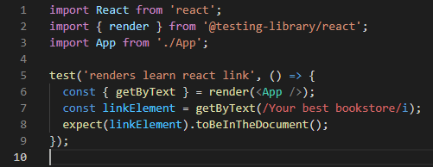
102 | AboutUs Render_text | Rendering the text for about us | SUCCESS
103 | AboutUs Render_images | Rendering images for about us | SUCCESS
104 | ContactUs Render_text | Rendering text for contact us | SUCCESS | 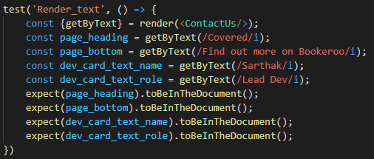
105 | ContactUs Render_images | Rendering images for contact us | SUCCESS
106 | Profile Render_text | Rendering text for profile | SUCCESS
107 | Profile Render_images | Rendering images for profile | SUCCESS
 |  | Overall Result |  | 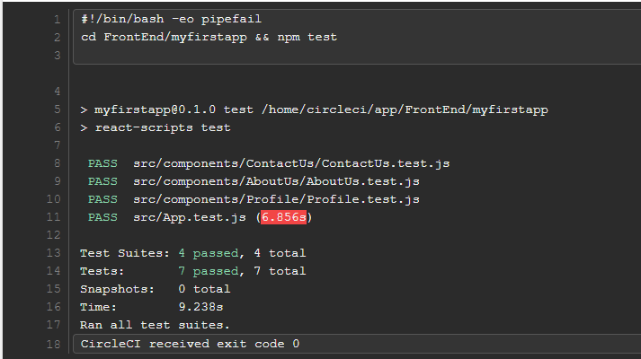

Backend Test Cases
Test Case ID | Test File Name | Description | Expected | Evidence
Book Tests
108 | bookControllerTest | Testing the book controller | SUCCESS

109 | isbnAlreadyExistsExceptionTest | Tesing the exception handler ISBN already exists | SUCCESS
110 | bookServiceTest | Testing the book service | SUCCESS | 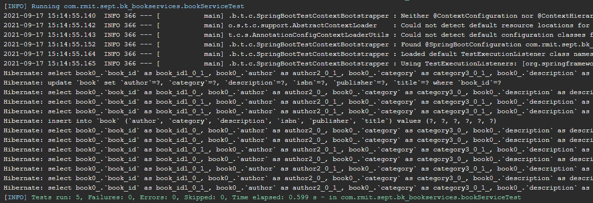
111 | bookRepositoryTest | Testing the book repository | SUCCESS
112 | bookNotFoundExceptionTest | Testing the exception handler for book not found | SUCCESS
113 | copyServiceTest | Testing the copy service | SUCCESS

114 | bookModelTest | Testing the book model | SUCCESS
115 | copyRepositoryTest | Testing the copy repository | SUCCESS
116 | copyControllerTest | Testing the copy controller | SUCCESS | 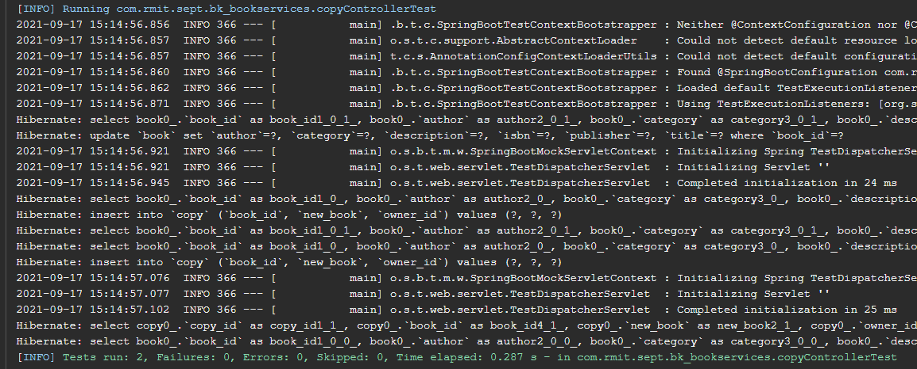
117 | copyNotFoundExceptionTest | Testing the exception handler for copy not found | SUCCESS
118 | createCopyFailedExceptionTest | Testing the exception handler for copy failed | SUCCESS
119 | copyModelTest | Testing the copy model | SUCCESS
 |  | Book results |  | 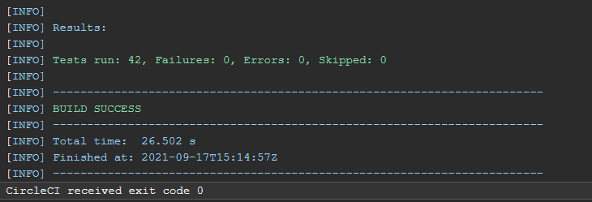
Login Tests
120 | UserControllerTest | Testing the user controller | SUCCESS

121 | RegistrationDetailsModelTest | Testing the registration details model | SUCCESS
122 | UserNotFoundExceptionTest | Testing the exception handler for user not found | SUCCESS
123 | UserModelTest | Testing the user model | SUCCESS
124 | ShopModelTest | Testing the shop model | SUCCESS
125 | PurchaseDetailsModelTest | Testing the purchase details model | SUCCESS
126 | UsernameAlreadyExistsExceptionTest | Testing the exception handler username already exists | SUCCESS
127 | PurchasedCopyDetailsModelTest | Testing the purchased copy details model | SUCCESS
 |  | Overall Results |  | 